ESTRUCTURA BAAN
 | NOTAS | UBICACIÓN | POSICIÓN | NUMERO DE SECUENCIA | ARTICULO A CREAR | FECHA | CANTIDAD A CREAR | ALMACEN
 |  | T$MITM | T$PONO | T$SEQN | T$SIM | T$INDT | T$QANA | T$CWAR
 | PARA CREAR ARTICULO EN PROYECTO => | PC0001503 | 10 | 1 | 71.1010.00 | 2023-07-26 |  | PP0050
 | PARA CREAR MODULOS EN ARTICULO => | PC000150371.1010.00 | 10 | 1 | 71.2106315.00 | 2023-07-26 |  | PP0050
 | PARA CREAR PIEZAS EN MODULO => | PC000150371.2106315.00 | 10 | 1 | 717031004 | 2023-07-26 |  | PP0050
 |  | PC000150371.2106315.00 | 20 | 1 | 717011013 | 2023-07-26 |  | PP0050 | 02221244-00 | 1
 |  | PC000150371.2106315.00 | 30 | 1 | 717021014 | 2023-07-26 |  | PP0050 | 262.26.073 | 1
 |  | PC000150371.2106315.00 | 40 | 1 | 717041013 | 2023-07-26 |  | PP0050 | 262.27.010 | 1
 |  | PC000150371.2106315.00 | 50 | 1 | 717051062 | 2023-07-26 |  | PP0050 | 262.26.073 | 1
 |  | PC000150371.2106315.00 | 60 | 1 | 717071061 | 2023-07-26 |  | PP0050 | 262.27.010 | 1
 |  | PC000150371.2106315.00 | 70 | 1 | 717061024 | 2023-07-26 |  | PP0050 | 02221244-00 | 1
 | PARA CREAR HERRAJES EN MODULO => | PC000150371.2106315.00 | 80 |  | 02211757-04 | 2023-07-26 |  | PP0050 | 262.26.073 | 1
 |  | PC000150371.2106315.00 | 90 |  | 05124110-00 | 2023-07-26 |  | PP0050 | 262.27.010 | 1
 |  | PC000150371.2106315.00 | 100 |  | 05115102-00 | 2023-07-26 |  | PP0050 | 262.26.073 | 1
 |  | PC000150371.2106315.00 | 110 |  | 611100600 | 2023-07-26 |  | PP0050 | 262.27.010 | 1
 |  | PC000150371.2106315.00 | 120 |  | 07612105-00 | 2023-07-26 |  | PP0050 | 02221244-00 | 1
 |  | PC000150371.2106315.00 | 130 |  | 05123105-01 | 2023-07-26 |  | PP0050 | 262.26.073 | 1
 |  | PC000150371.2106315.00 | 140 |  | 06521533-00 | 2023-07-26 |  | PP0050 | 262.27.010 | 1
 |  | PC000150371.2106315.00 | 150 |  | 07132299-00 | 2023-07-26 |  | PP0050 | 262.26.073 | 1
 |  | PC000150371.2106315.00 | 160 |  | 09111101-00 | 2023-07-26 |  | PP0050 | 262.27.010 | 1
 |  | PC000150371.2106315.00 | 170 |  | 06544102-00 | 2023-07-26 |  | PP0050 | 02221244-00 | 1
 |  | PC000150371.2106315.00 | 180 |  | 06544103-00 | 2023-07-26 |  | PP0050 | 262.26.073 | 1
 |  | PC000150371.2106315.00 | 190 |  | 611106200 | 2023-07-26 |  | PP0050 | 262.27.010 | 1
 |  | PC000150371.2106315.00 | 200 |  | 02510238-00 | 2023-07-26 |  | PP0050 | 262.26.073 | 1
 |  | PC000150371.2106315.00 | 210 |  | 05113110-01 | 2023-07-26 |  | PP0050 | 262.27.010 | 1
 |  | PC000150371.2106315.00 | 220 |  | 06651858-00 | 2023-07-26 |  | PP0050 | 06651858-00 | 1
 |  | PC000150371.2106315.00 | 230 |  | 06541234-00 | 2023-07-26 |  | PP0050 | 06651858-00 | 1
 |  | PC000150371.2106315.00 | 240 |  | 02510107-00 | 2023-07-26 |  | PP0050 | 06512323-01 | 1
 |  | PC000150371.2106315.00 | 250 |  | 02221244-00 | 2023-07-26 |  | PP0050 | 05135112-00 | 1
 | PARA CREAR MATERIALES EN PIEZAS => | PC0001503717031004 | 10 | 1 | 03114151-00 | 2023-07-26 |  | PT0030 | 05135112-00 | 1
 |  | PC0001503717031004 | 20 | 1 | 03114338-00 | 2023-07-26 |  | PT0030 | 05135112-00 | 1
 |  | PC0001503717011013 | 10 | 1 | 03114151-00 | 2023-07-26 |  | PT0030 | 02221244-00 | 1
 |  | PC0001503717011013 | 20 | 1 | 03114338-00 | 2023-07-26 |  | PT0030 | 262.26.073 | 1
 |  | PC0001503717021014 | 10 | 1 | 03114151-00 | 2023-07-26 |  | PT0030 | 262.27.010 | 1
 |  | PC0001503717021014 | 20 | 1 | 03114338-00 | 2023-07-26 |  | PT0030 | 262.26.073 | 1
 |  | PC0001503717041013 | 10 | 1 | 03114151-00 | 2023-07-26 |  | PT0030 | 262.27.010 | 1
 |  | PC0001503717041013 | 20 | 1 | 03114338-00 | 2023-07-26 |  | PT0030 | 02221244-00 | 1
 |  | PC0001503717051062 | 10 | 1 | 03114151-00 | 2023-07-26 |  | PT0030 | 262.26.073 | 1
 |  | PC0001503717051062 | 20 | 1 | 03114338-00 | 2023-07-26 |  | PT0030 | 262.27.010 | 1
 |  | PC0001503717071061 | 10 | 1 | 03114151-00 | 2023-07-26 |  | PT0030 | 262.26.073 | 1
 |  | PC0001503717071061 | 20 | 1 | 03114338-00 | 2023-07-26 |  | PT0030 | 262.27.010 | 1
 |  | PC0001503717061024 | 10 | 1 | 03114151-00 | 2023-07-26 |  | PT0030 | 02221244-00 | 1
 |  | PC0001503717061024 | 20 | 1 | 03114338-00 | 2023-07-26 |  | PT0030 | 262.26.073 | 1
 |  |  |  |  |  |  |  |  | 262.27.010 | 1
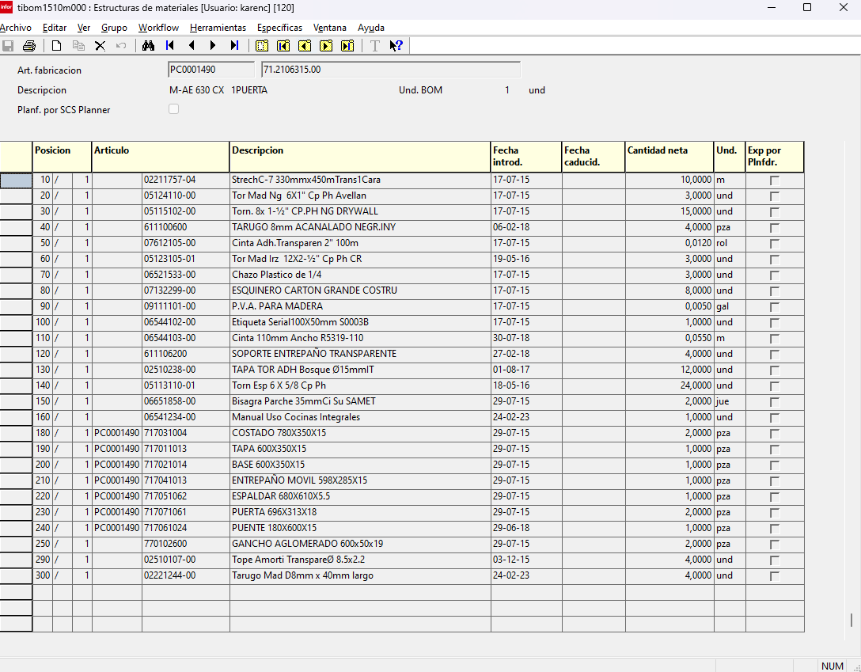
 |  |  |  |  |  |  |  |  | 262.26.073 | 1
 |  |  |  |  |  |  |  |  | 262.27.010 | 1
 |  |  |  |  |  |  |  |  | 02221244-00 | 1
 |  |  |  |  |  |  |  |  | 262.26.073 | 1
 |  |  |  |  |  |  |  |  | 262.27.010 | 1
 |  |  |  |  |  |  |  |  | 262.26.073 | 1
 |  |  |  |  |  |  |  |  | 262.27.010 | 1
 |  |  |  |  |  |  |  |  | 06651858-00 | 1
 |  |  |  |  |  |  |  |  | 06651858-00 | 1
 |  |  |  |  |  |  |  |  | 06512323-01 | 1
 |  |  |  |  |  |  |  |  | 05135112-00 | 1
 |  |  |  |  |  |  |  |  | 05135112-00 | 1
 |  |  |  |  |  |  |  |  | 06651858-00 | 1
 |  |  |  |  |  |  |  |  | 06651858-00 | 1
 |  |  |  |  |  |  |  |  | 06512323-01 | 1
 |  |  |  |  |  |  |  |  | 05135112-00 | 1
 |  |  |  |  |  |  |  |  | 05135112-00 | 1
 |  |  |  |  |  |  |  |  | 02221244-00 | 1
 |  |  |  |  |  |  |  |  | 262.26.073 | 1
 |  |  |  |  |  |  |  |  | 262.27.010 | 1
 |  |  |  |  |  |  |  |  | 262.26.073 | 1
 |  |  |  |  |  |  |  |  | 262.27.010 | 1
 |  |  |  |  |  |  |  |  | 02221244-00 | 1
 |  |  |  |  |  |  |  |  | 262.26.073 | 1
 |  |  |  |  |  |  |  |  | 262.27.010 | 1
 |  |  |  |  |  |  |  |  | 262.26.073 | 1
 |  |  |  |  |  |  |  |  | 262.27.010 | 1
 |  |  |  |  |  |  |  |  | 02221244-00 | 1
 |  |  |  |  |  |  |  |  | 262.26.073 | 1
 |  |  |  |  |  |  |  |  | 262.27.010 | 1
 |  |  |  |  |  |  |  |  | 262.26.073 | 1
 |  |  |  |  |  |  |  |  | 262.27.010 | 1
 |  |  |  |  |  |  |  |  | 02221244-00 | 1
 |  |  |  |  |  |  |  |  | 262.26.073 | 1
 |  |  |  |  |  |  |  |  | 262.27.010 | 1
 | OPCION 1 |  |  |  |  |  |  |  | 262.26.073 | 1
22 | PARA CREAR PIEZAS EN MODULO => | PC000150371.2106315.00 | 10 | 1 | PC000150371.2106315.00717071061 |  |  |  | 262.27.010 | 1
 |  | PC000150371.2106315.00 | 20 | 1 | PC000150371.2106315.00717061024 |  |  |  | 06651858-00 | 1
31 | PARA CREAR MATERIALES EN PIEZAS => | PC000150371.2106315.00717061024 | 10 | 1 | 03114151-00 |  |  |  | 06651858-00 | 1
 |  | PC000150371.2106315.00717061024 | 20 | 1 | 03114338-00 |  |  |  | 06512323-01 | 1
 |  |  |  |  |  |  |  |  | 05135112-00 | 1
 | OPCION 2 |  |  |  |  |  |  |  | 05135112-00 | 1
22 | PARA CREAR PIEZAS EN MODULO => | PC000150371.2106315.01 | 10 | 1 | 71703100401 |  |  |  | 06651858-00 | 1
 |  | PC000150371.2106315.01 | 20 | 1 | 71701101301 |  |  |  | 06651858-00 | 1
11 | PARA CREAR MATERIALES EN PIEZAS => | 71703100401 | 10 | 1 | 03114151-00 |  |  |  | 06512323-01 | 1
 |  | 71701101301 | 20 | 1 | 03114338-00 |  |  |  | 05135112-00 | 1
 |  |  |  |  |  |  |  |  | 05135112-00 | 1
 |  |  |  |  |  |  |  |  | 02221244-00 | 1
 |  |  |  |  |  |  |  |  | 262.26.073 | 1
 |  |  |  |  |  |  |  |  | 262.27.010 | 1
 |  |  |  |  |  |  |  |  | 262.26.073 | 1
 |  |  |  |  |  |  |  |  | 262.27.010 | 1
 |  |  |  |  |  |  |  |  | 02221244-00 | 1
 |  |  |  |  |  |  |  |  | 262.26.073 | 1
 |  |  |  |  |  |  |  |  | 262.27.010 | 1
 |  |  |  |  |  |  |  |  | 262.26.073 | 1
 |  |  |  |  |  |  |  |  | 262.27.010 | 1
 |  |  |  |  |  |  |  |  | 02221244-00 | 1
 |  |  |  |  |  |  |  |  | 262.26.073 | 1
 |  |  |  |  |  |  |  |  | 262.27.010 | 1
 |  |  |  |  |  |  |  |  | 262.26.073 | 1
 |  |  |  |  |  |  |  |  | 262.27.010 | 1
 |  |  |  |  |  |  |  |  | 02221244-00 | 1
 |  |  |  |  |  |  |  |  | 262.26.073 | 1
 |  |  |  |  |  |  |  |  | 262.27.010 | 1
 |  |  |  |  |  |  |  |  | 262.26.073 | 1
 |  |  |  |  |  |  |  |  | 262.27.010 | 1
 |  |  |  |  |  |  |  |  | 06651858-00 | 1
 |  |  |  |  |  |  |  |  | 06651858-00 | 1
 |  |  |  |  |  |  |  |  | 06512323-01 | 1
 |  |  |  |  |  |  |  |  | 05135112-00 | 1
 |  |  |  |  |  |  |  |  | 05135112-00 | 1
 |  |  |  |  |  |  |  |  | 06651858-00 | 1
 |  |  |  |  |  |  |  |  | 06651858-00 | 1
 |  |  |  |  |  |  |  |  | 06512323-01 | 1
 |  |  |  |  |  |  |  |  | 05135112-00 | 1
 |  |  |  |  |  |  |  |  | 05135112-00 | 1

QUEMADOS
[dbo].[IDBPURCH] | Quemar con valor predeterminado | Herrajes | Quemar con valor predeterminado | Materiales Lámina | Quemar con valor predeterminado | Materiales Fleje | Quemar con valor predeterminado | PIEZAS | ARTICULO | Quemar con valor predeterminado | MODULO
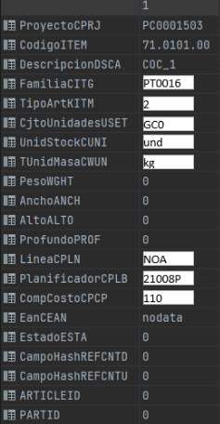
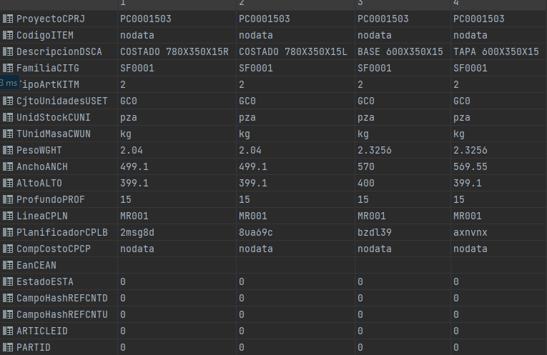
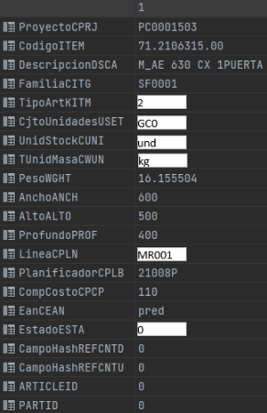
06651858-00
03114151-00
04225725-00
Cazolet Parche 35mmCi Su SAMET
AGL_Blanc_NE_So_244x183_15_DU
AGL_Blanc_NE_So_244x183_15_DU
SQL
ORDER_ID
MA0022
MA0003
MA0006
1
1
1
CG0
CG0
CG0
TEXT_SHORT |  |  | QUEMAR |  | QUEMAR |  | QUEMAR |  |  | QUEMAR
 | QUEMAR |  | QUEMAR |  | QUEMAR |  | QUEMAR |  |  | QUEMAR
 | QUEMAR |  | QUEMAR |  | QUEMAR |  | QUEMAR |  |  | QUEMAR
und
lam
m
ARTICLE_ID |  |  | QUEMAR |  | QUEMAR |  | QUEMAR |  |  | QUEMAR
 | QUEMAR |  | QUEMAR |  | QUEMAR |  | QUEMAR |  |  | QUEMAR

MC0003
MC001
MC002
LI0201
P20002
P20002
P20002
22006P
22006P
22006P
22006P
110
110
110
110
110
110
110
TEXT_LONG |  |  | QUEMAR |  | QUEMAR |  | QUEMAR |  |  | QUEMAR
COLOR |  |  | QUEMAR |  | QUEMAR |  | QUEMAR |  |  | QUEMAR
SUPPLIER |  |  |  |  |  |  | QUEMAR |  |  | QUEMAR

